Assignment1
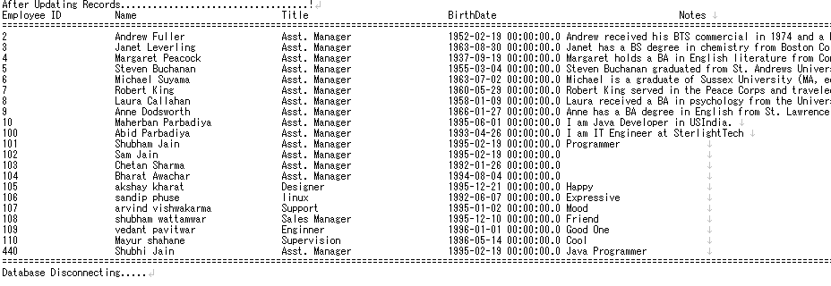
Step's | Description

1 | DisplayRecords is main function

2 | Establishing the connection

3 | Fire query,
 | select EmployeeID,FirstName,LastName,Title,BirthDate,Notes FROM employees

5 | Closing connection

 | Before Updating Data

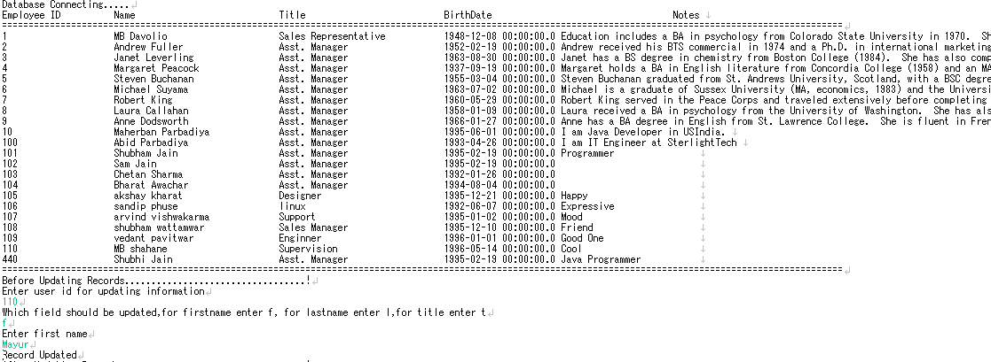

 | After Updating Data

